Sheet2
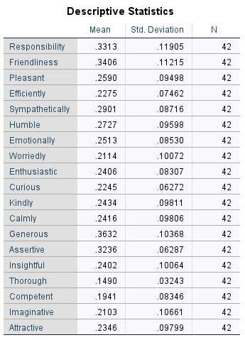
For male | independent t test

for female | independent t test

